Sheet1
 | WILKINS DEVELOPMENT BUDGET

HARD COSTS:
 | DESIGN/BUILD GMP | $22,901,191.26
 | OWNER'S CONTINGENCY ON NEW CONSTRUCTION - 5% | $1,145,059.56
 | GENERATOR | $200,000.00
 | SOLAR - IF COST/BENEFIT ANALYSIS CONFIRMS | $200,000.00
 | MOVE 4TH GRADE PORTABLES FOR CONSTRUCTION PURPOSES | $50,000.00
 | AUDIO/VISUAL | $100,000.00
 | SITE SECURITY & CONSULTING FOR PROJECT | $100,000.00

 | Total: | $24,696,250.82

 | WILKINS UPDATES TO MEET CODE & REFRESH BUILDING - ORIGINAL SCOPE
Exterior
 | Repair/remove rotted trim board and cover with metal around building | $75,000.00 | SUMMER 2026
 | Exterior shed on the backside of MPR, siding repairs (snow blower, gas, ladders, etc. stored inside) | $10,000.00 | SUMMER 2026
 | Exterior caulking (expansion joints, windows, etc.) - Under Aaron's Management!!! | $75,000.00 | SUMMER 2026
 | Windows fair condition but replacement of weights and springs 30% | $30,000.00 | SUMMER 2026
 | Additional paving repairs | $30,000.00 | SUMMER 2026
Mech/Electrical
 | Remove the Federal Pacific panels. We need to look at the service as well and confirm if FP but I don't believe the service gear had the same issue as their panels ASSUME 2 PANELS AT $10K EACH | $20,000.00 | SUMMER 2026
 | Mechanical improvements Misc. | $20,000.00 | SUMMER 2026
Plumbing
 | Replace kitchen and boiler room water heater | $5,000.00 | SUMMER 2026
 | Kitchen dishwasher system (Krystal may be replacing this already this summer) | $5,000.00 | SUMMER 2026
Fire Protection
 | Glycol in the sprinkler system. I am working on this to add an NFPA rated solution. Here's what I see below, $4200 for 55 gallon drum: PER ROGER PRESTON NOT NEEDED NOW COVERED IN OPERATIONS BUDGET | $0.00 | SUMMER 2026
 | 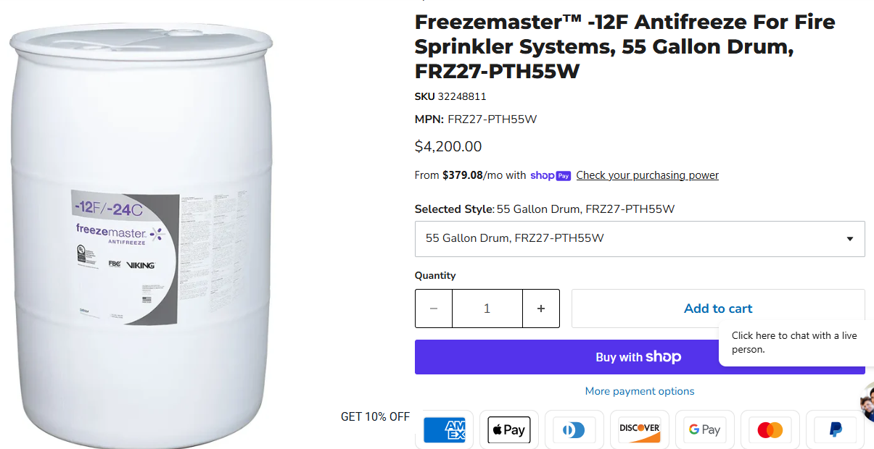
 | https://elaraeng.com/nfpa-driven-sprinkler-system-antifreeze-replacement-required-september-30-2022/

Misc.
 | Asbestos abatement as shown to be existing under new VCT throughout the building. As mentioned we are meeting the AHERA requirements with recurring inspections. Off the cuff # from reputable contractor I've used based on emailed plans | $275,000.00 | SUMMER 2027
 | 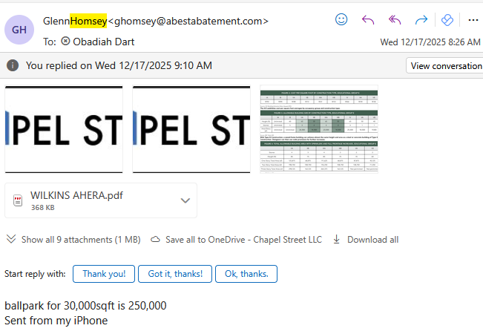

 | Replace all floor tiles with new VCT after abatement is complete 55,000 * $6 (or concrete polish) | $330,000.00 | SUMMER 2027 TO SPRING 2028'
 | Replace all ACT ceiling tiles 55,000 * $6 (SOME OF THIS COST COULD BE INCLUDED IN $450K COST BELOW) | $330,000.00 | SUMMER 2027 TO SPRING 2028'
 | Re-build new front office area adjacent to entrance doors, including principal, asst principal & admin. (SHOULD BE ABLE TO INCLUDED IN $450K # BELOW) | $100,000.00 | SUMMER 2027 TO SPRING 2028'
 | Replace light fixtures in classroom ceilings (MAY BE REDUCED FROM EVERSOURCE REBATE) | $300,000.00 | SUMMER 2027 TO SPRING 2028'
 | Cubbies & Coat Hangers to organize kid's belongings & Misc Finish Carpentry Work to Enhance Spaces | $100,000.00 | SUMMER 2027 TO SPRING 2028'
 | Repaint Corridors & New Partitioned Areas | $250,000.00 | SUMMER 2027 TO SPRING 2028'
 | Move Classroom materials to new Addition (SHOULD BE LESS - MAY BE PARTIALLY COVERED IN OPERATIONS BUDGET) | $100,000.00 | SUMMER 2027 TO SPRING 2028'
 | ADA compliant bathrooms and access | $300,000.00 | SUMMER 2027 TO SPRING 2028'

 | SUBTOTAL ORIGINAL SCOPE | $2,355,000.00

15 YEAR LOOK AHEAD SCOPE ABOVE ORIGINAL $19.3M PLAN PER FACILITY MANAGER
 | Allowance to partition off former classrooms into interventionist rooms, case rooms etc per Principal's direction Summer 2027 after addition is complete (MAY BE REDUCED BASED ON PROPOSED LAYOUTS) | $450,000.00 | SUMMER 2027 TO SPRING 2028'
 | Replace Existing Roofs on Building - assume 70,000 sf * $11/sf | $770,000.00 | SUMMER 2027 TO SPRING 2028'
 | Replace Rooftop Units to Include Cooling Coil | $250,000.00 | SUMMER 2027 TO SPRING 2028'
 | Inspect and clean all ductwork runs | $100,000.00 | SUMMER 2027 TO SPRING 2028'
 | Run new ductwork to partitioned spaces | $100,000.00 | SUMMER 2027 TO SPRING 2028'
 | New Electrical wiring allowance 55000*10 | $550,000.00 | SUMMER 2027 TO SPRING 2028'
 | New Plumbing Allowance 200000 | $200,000.00 | SUMMER 2027 TO SPRING 2028'
 | Replace sprinkler piping allowance 55000*10 (MAY ONLY NEED NEW HEADS) | $550,000.00 | SUMMER 2027 TO SPRING 2028'
 | New insulation above ceilings (MAY BE REDUCED WITH EVERSOURCE REBATE) | $250,000.00 | SUMMER 2027 TO SPRING 2028'
 | New fire taped 5/8" sheetrock ceilings 45000*5 | $225,000.00 | SUMMER 2027 TO SPRING 2028'
 | New Building Management System (MAY BE REDUCED WITH EVERSOURCE REBATE) | $150,000.00 | SUMMER 2027 TO SPRING 2028'
 | New Fire Alarm Control Panel & Devices | $250,000.00 | SUMMER 2027 TO SPRING 2028'
 | Misc Tie-in to Addition | $100,000.00 | SUMMER 2027 TO SPRING 2028'
 | Misc. Additional Work | $250,000.00 | SUMMER 2027 TO SPRING 2028'
 | Yellow - new work not included in Original Plan
 | Subtotal: | $6,550,000.00 | $129.12
 | Contingency - 15% | $982,500
 | GC Overhead & Profit - 15% | $982,500 | GOAL WILL BE FOR AS MUCH WORK AS POSSIBLE TO BE MANAGED BY SAU DISTRICT PERSONNEL TO REDUCE GC/ARCH MARKUP
 | Architectural Fee - 10% | $655,000
 | Total: | $9,170,000 | $180.76

SOFT COSTS:
 | OWNER'S REP | $350,000.00
 | CIVIL/SITE ENGINEER | $125,000.00
 | 3RD PARTY CONSULTANTS - SOIL, CONCRETE, STEEL, FAÇADE ETC | $125,000.00
 | LEGAL | $150,000.00
 | BUILDER'S RISK INSURANCE (Included in Design Build GMP) | $0.00
 | SOFT COST CONTINGENCY | $300,000.00
 | FF&E | $575,000.00

 | Soft Costs Total: | $1,625,000.00

TOTAL COSTS RENOVATE AND EXPAND: |  | $35,491,251

 | CONTINGENCY BETWEEN BOND AMOUNT AND FORECASTED TOTAL COST: | $1,508,749.18

 | TOTAL BOND: | $37,000,000.00

 | TOTAL CONTINGENCIES INCLUDED WITHIN BUDGET: | $4,800,941.71
 | TOTAL % CONTINGENCY FOR PROJECT: | 13.53%

