Sheet1
 | WILKINS DEVELOPMENT BUDGET

HARD COSTS:
 | DESIGN/BUILD GMP | $13,772,254.40
 | OWNER'S CONTINGENCY - 10% | $1,377,225.44
 | MOVE ONE 4TH GRADE PORTABLE FOR CONSTRUCTION PURPOSES | $20,520.00
 | AUDIO/VISUAL | $50,000.00
 | SITE SECURITY & CONSULTING FOR PROJECT | $100,000.00

 | Total: | $15,319,999.84

 | WILKINS UPDATES TO MEET CODE & REFRESH BUILDING
Exterior
 | Repair/remove rotted trim board and cover with metal around building | $75,000.00 | SUMMER 2026
 | Exterior shed on the backside of MPR, siding repairs (snow blower, gas, ladders, etc. stored inside) | $10,000.00 | SUMMER 2026
 | Exterior caulking (expansion joints, windows, etc.) - Under Aaron's Management!!! | $75,000.00 | SUMMER 2026
 | Windows fair condition but replacement of weights and springs 30% | $30,000.00 | SUMMER 2026
 | Additional paving repairs | $30,000.00 | SUMMER 2026
Mech/Electrical
 | Remove the Federal Pacific panels. We need to look at the service as well and confirm if FP but I don't believe the service gear had the same issue as their panels ASSUME 2 PANELS AT $10K EACH | $20,000.00 | SUMMER 2026
 | Mechanical improvements Misc. | $20,000.00 | SUMMER 2026
Plumbing
 | ADA compliant bathrooms and access | $150,000.00 | SUMMER 2027
 | Replace kitchen and boiler room water heater | $5,000.00 | SUMMER 2026
 | Kitchen dishwasher system (Krystal may be replacing this already this summer) | $5,000.00 | SUMMER 2026
Fire Protection
 | Glycol in the sprinkler system. I am working on this to add an NFPA rated solution. Here's what I see below, $4200 for 55 gallon drum: | $55,000.00 | SUMMER 2026
 | 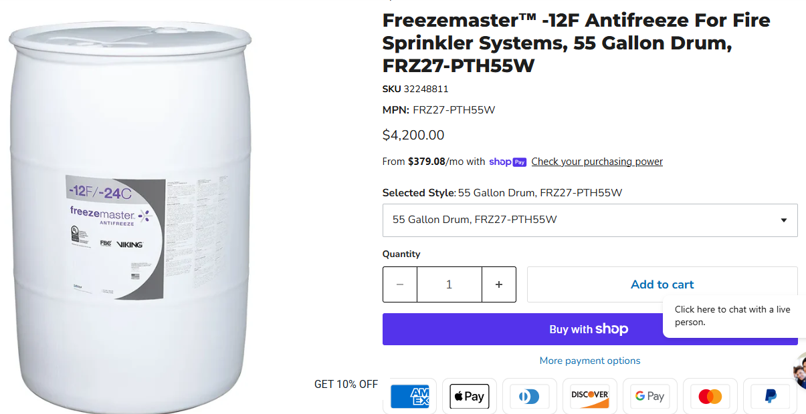
 | https://elaraeng.com/nfpa-driven-sprinkler-system-antifreeze-replacement-required-september-30-2022/
Misc.
 | Asbestos abatement as shown to be existing under new VCT throughout the building. As mentioned we are meeting the AHERA requirements with recurring inspections. Off the cuff # from reputable contractor I've used based on emailed plans | $250,000.00 | SUMMER 2027
 | 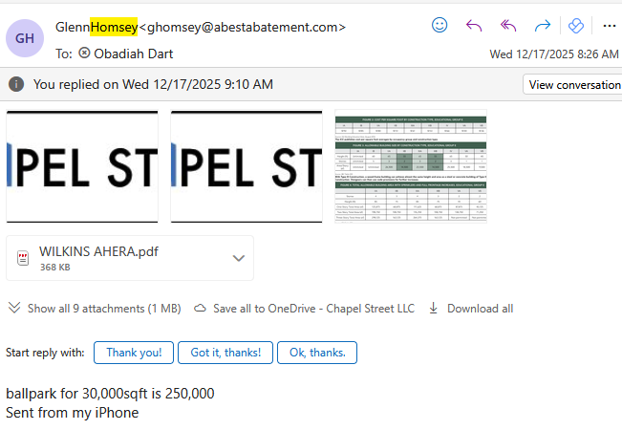

Finishes
 | Replace all floor tiles with new VCT after abatement is complete 55,000 * $6 (or concrete polish) | $330,000.00 | SUMMER 2027
 | Replace all ACT ceiling tiles 55,000 * $6 | $330,000.00 | SUMMER 2027
 | Re-build new front office area adjacent to entrance doors, including principal, asst principal & admin. | $100,000.00 | SUMMER 2027
 | Allowance to partition off former classrooms into interventionist rooms, case rooms etc per Principal's direction Summer 2027 after addition is complete | $150,000.00 | SUMMER 2027
 | Replace light fixtures in classroom ceilings | $100,000.00 | SUMMER 2027
 | Cubbies & Coat Hangers to organize kid's belongings & Misc Finish Carpentry Work to Enhance Spaces | $75,000.00 | SUMMER 2027
 | Repaint Corridors & New Partitioned Areas | $50,000.00 | SUMMER 2027
 | Move Classroom materials to new Addition | $76,364.00 | SUMMER 2027

 | Subtotal: | $1,936,364.00
 | Contingency - 10% | $193,636
 | Total: | $2,130,000

SOFT COSTS:
 | OWNER'S REP | $300,000.00
 | CIVIL/SITE ENGINEER | $75,000.00
 | 3RD PARTY CONSULTANTS - SOIL, CONCRETE, STEEL, FAÇADE ETC | $100,000.00
 | LEGAL | $150,000.00
 | BUILDER'S RISK INSURANCE | $400,000.00
 | SOFT COST CONTINGENCY | $250,000.00
 | FF&E | $575,000.00

 | Soft Costs Total: | $1,850,000.00

TOTAL COSTS PHASE #1 with Wilkins Code & Refresh Work: |  | $19,300,000

